Instructions
Step # | Step
1 | In the RTC tool run the "CSE_all" query
2 | In the RTC tool select the "Dowload as speadsheet" icon on the right side of the screen
3 | In the RTC tool select "Open"at the bottom of the screen.
4 | In the excel file that pops up (CSE_all.csv) select and copy columns A-K
5 | 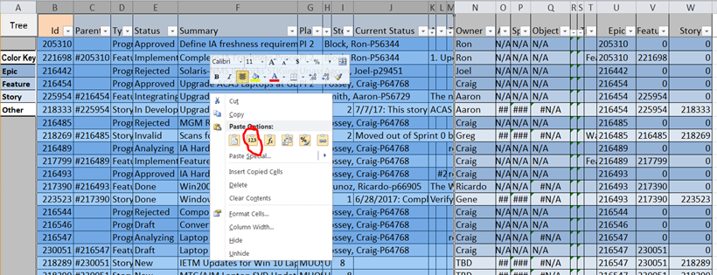 On the "CyberData" tab of The "CSE.xlsm" spreadsheet (this is the master SharePoint spreadsheet that gets updated each time) select columns B-L (columns with orange header) and special copy by values (right click and hit the "123" icon) - note: if you don't see the "123" icon it might be because you don't have bothe spreadsheets in the same Excel instance
6 | On the "CyberData" tab of this spreadsheet click on the "Tree" button at A1 - This sorts the sheet by columns "Epic", "Feature", "Planned For"
7 | Besides the Information on the IncData tab, the "Pivot" tab has a default setup of the Story Points broken out by Status perperson by Sprint. - Be sure to right-clik in the pivot table and select "refresh" before reviewing the data.

